Sheet1
Departments |  |  | Projects |  |  |  | Employees |  |  | Salaries
department_id | depatment_name |  | project_id | project_name | project_lead_id |  | emp_id | emp_name | emp_department_id | emp_id | salary_amount
101 | HR |  | 1 | Project A | 1 |  | 1 | JohnDoe | 101 | 1 | 60000
102 | IT |  | 2 | Project B | 2 |  | 2 | JaneSmith | 102 | 2 | 75000
103 | Marketing |  | 3 | Project C | 3 |  | 3 | BobJohnson | 101 | 3 | 55000
104 | Finance |  | 4 | Project D | 4 |  | 4 | AliceBrown | 102 | 4 | 80000
105 | Operations |  | 5 | Project E | 5 |  | 5 | CharlieDavis | 101 | 5 | 65000
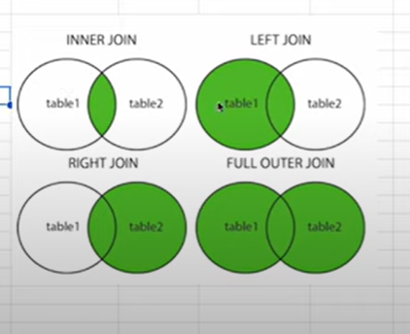
 |  |  |  |  |  |  | 6 | EvaWhite | 103 | 6 | 70000
 |  |  |  |  | Inner Join |  | 7 | FrankJones | 103 | 7 | 60000
 |  |  |  |  | Left Join |  | 8 | GraceMiller | 101 | 8 | 85000
 |  |  |  |  | Full Outer |  | 9 | HarryWilson | 102 | 9 | 75000
 |  |  |  |  | Cross |  | 10 | IvyMartin | 103 | 10 | 90000
 |  |  |  |  | Self |  | 11 | JackAnderson | 102 | 11 | 70000
 |  |  |  |  |  |  | 12 | KellyThomas | 101 | 12 | 60000
 |  |  |  |  |  |  | 13 | LeoHarris | 103 | 13 | 80000
 |  |  |  |  |  |  | 14 | MiaGarcia | 101 | 14 | 75000
 |  |  |  |  |  |  | 15 | NickTaylor | 102 | 15 | 60000
 |  |  |  |  |  |  | 16 | OliviaClark | 103 | 16 | 85000
 |  |  |  |  |  |  | 17 | PaulaAllen | 102 | 17 | 90000
 |  |  |  |  |  |  | 18 | QuinnScott | 101 | 18 | 65000
 |  |  |  |  |  |  | 19 | RandyWard | 103 | 19 | 70000
 |  |  |  |  |  |  | 20 | SaraHall | 102 | 20 | 80000
 |  |  |  |  |  |  | 21 | Mart Ward | 109
 |  |  |  |  |  |  | 22 | Sam Hall | 107

 |  | Employees |  |  |  | Departments
 |  | emp_id | emp_name | emp_department_id |  | department_id | depatment_name
 |  | 1 | JohnDoe | 101 |  | 101 | HR
 |  | 2 | JaneSmith | 102 |  | 102 | IT
 |  | 3 | BobJohnson | 101 |  | 103 | Marketing
 |  | 4 | AliceBrown | 102 |  | 104 | Finance
 |  | 5 | CharlieDavis | 101 |  | 105 | Operations
 |  | 6 | EvaWhite | 103
 |  | 7 | FrankJones | 103
 |  | 8 | GraceMiller | 101
 |  | 9 | HarryWilson | 102
 |  | 10 | IvyMartin | 103
 |  | 11 | JackAnderson | 102
 |  | 12 | KellyThomas | 101
 |  | 13 | LeoHarris | 103
 |  | 14 | MiaGarcia | 101
 |  | 15 | NickTaylor | 102
 |  | 16 | OliviaClark | 103
 |  | 17 | PaulaAllen | 102
 |  | 18 | QuinnScott | 101
 |  | 19 | RandyWard | 103
 |  | 20 | SaraHall | 102
 |  | 21 | Mart Ward | 109
 |  | 22 | Sam Hall | 107

